Overview of Product Lines
Product Line #1. Furniture with push-button adjustable height (1) arm chairs, (2) sofas, (3) entertainment centers, and (4) kitchen tables that with push of a button adjust height, along with optional adjustable chairs.
Product Line #2. Kitchen Appliances: (1) Adjustable tabletop small ovens that defrost, cook, and deliver the meal to table with push of a button (sensors determine defrost/cooking times); (2) refrigerator/freezers that upon selection place the frozen item in the tabletop oven (when bought in tandem); (3) two-sided dishwashers that can send out clean dishes from one side and retrieve dirty ones to the other; (4) cookpots that auto-cook stews and sauces by cutting and sautéing ingredients placed into “feed tube” and then cooking over low heat for several hours.
Product Line #3. Adjustable Screens: (1) Television (consumer); (2) computer monitors; Business to business line: (3) tablet and cell, and (4) industrial monitors of all types that adjust to light, time of day, and visual needs of the viewer while protecting their eyes from harmful light.

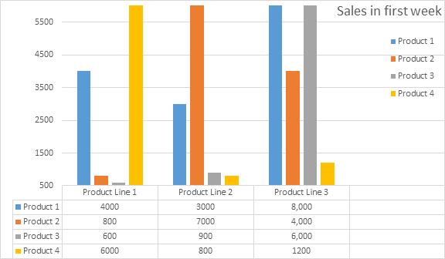
Colors- red, navy, white, blue, black, green, grey-unless otherwise stipulated
Free shipping over $50

